Location Plan & Summary
Intelligent Data Collection Limited

Client: | Bristol City Council |  |  | Date of Survey: |  | 09.07.2015
Project Number: | ID02343 |  |  | Site Name: |  | Owen Street
Site Number: | ATC Site 8 |  |  | Survey Type: |  | Two-way Link Count

X Coordinate |  | Y Coordinate |  |  | Google Maps Link
51.462185 |  | -2.562826 |  |  | Click Here
AM Peak Conditions |  | Inter-Peak Conditions |  |  | PM Peak Conditions
Clear and Sunny |  | Clear and Sunny |  |  | Clear and Sunny
Junction Layout

N
 |  |  |  |  |  | Arm B - Battersea Road (N)

 |  |  | Arm A - Kilburn Street (S)

Aerial Mapping and On-site Camera View
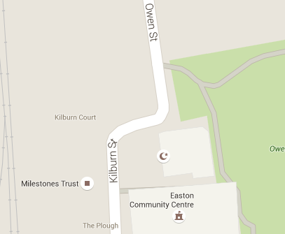
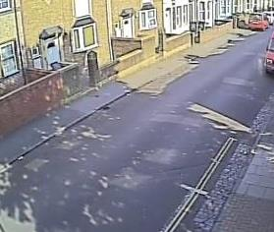
Arm B - Battersea Road (N)

Arm A - Kilburn Street (S)

Junction Flow Profile
Arm Approach Flows (All Vehicles)
 | A to B (Northbound) | B to A (Southbound) | Two-way Total
7:00:00 | 2 | 13 | 15
7:15:00 | 3 | 12 | 15
7:30:00 | 9 | 19 | 28
7:45:00 | 8 | 22 | 30
8:00:00 | 7 | 19 | 26
8:15:00 | 8 | 24 | 32
8:30:00 | 16 | 45 | 61
8:45:00 | 11 | 25 | 36
9:00:00 | 10 | 23 | 33
9:15:00 | 15 | 15 | 30
9:30:00 | 11 | 19 | 30
9:45:00 | 10 | 12 | 22
10:00:00 | 6 | 12 | 18
10:15:00 | 13 | 18 | 31
10:30:00 | 12 | 18 | 30
10:45:00 | 10 | 25 | 35
11:00:00 | 7 | 10 | 17
11:15:00 | 10 | 12 | 22
11:30:00 | 11 | 10 | 21
11:45:00 | 9 | 25 | 34
12:00:00 | 19 | 24 | 43
12:15:00 | 16 | 14 | 30
12:30:00 | 12 | 15 | 27
12:45:00 | 16 | 12 | 28
13:00:00 | 16 | 21 | 37
13:15:00 | 16 | 20 | 36
13:30:00 | 18 | 27 | 45
13:45:00 | 18 | 18 | 36
14:00:00 | 13 | 18 | 31
14:15:00 | 14 | 28 | 42
14:30:00 | 14 | 28 | 42
14:45:00 | 15 | 26 | 41
15:00:00 | 16 | 16 | 32
15:15:00 | 18 | 18 | 36
15:30:00 | 21 | 19 | 40
15:45:00 | 26 | 23 | 49
16:00:00 | 20 | 17 | 37
16:15:00 | 28 | 29 | 57
16:30:00 | 23 | 18 | 41
16:45:00 | 33 | 25 | 58
17:00:00 | 20 | 23 | 43
17:15:00 | 32 | 24 | 56
17:30:00 | 25 | 28 | 53
17:45:00 | 26 | 32 | 58
18:00:00 | 20 | 28 | 48
18:15:00 | 24 | 31 | 55
18:30:00 | 33 | 27 | 60
18:45:00 | 19 | 31 | 50

Additional Notes (Factors which may impact on survey results such as accidents, roadworks, special events):

